flickr(test in j2se)
 | http://www.flickr.com/services/api/
1 | Flickr API 主页
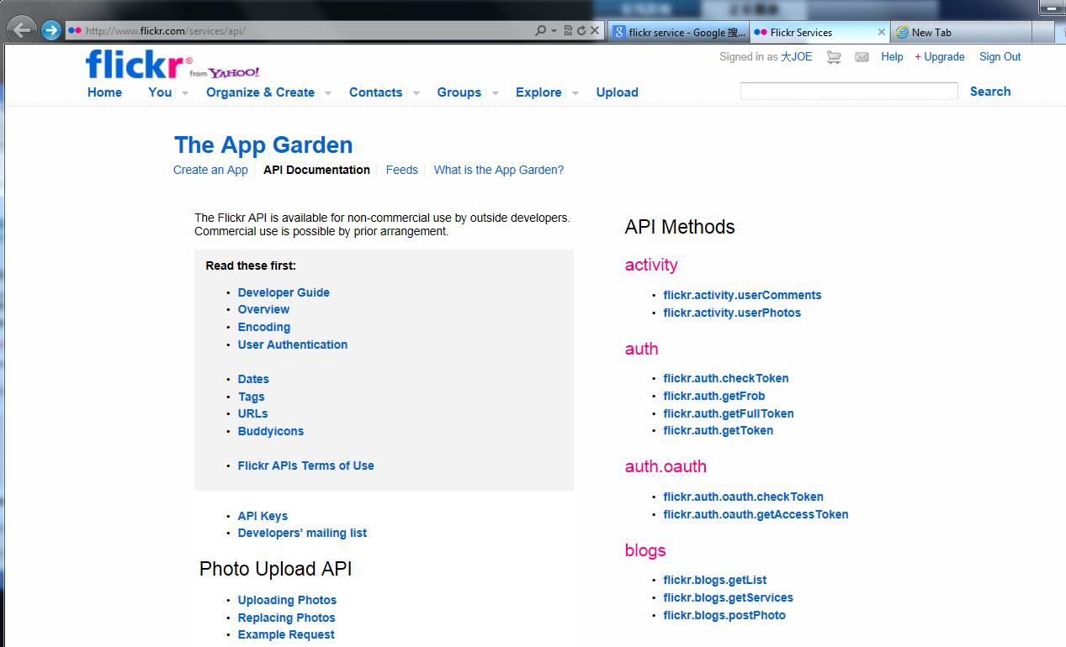

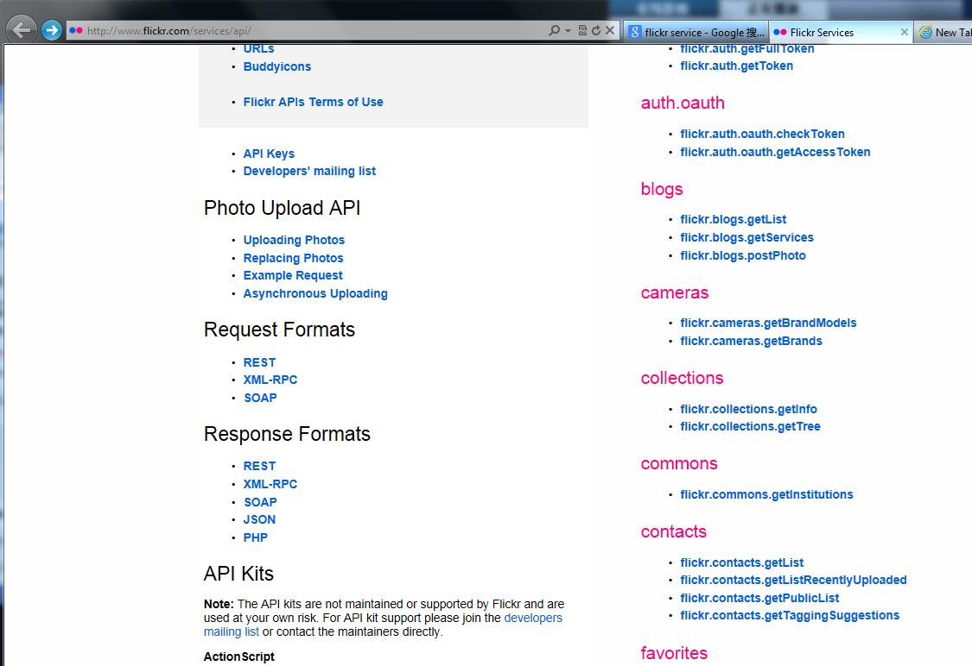

2 | 获取一个API Key
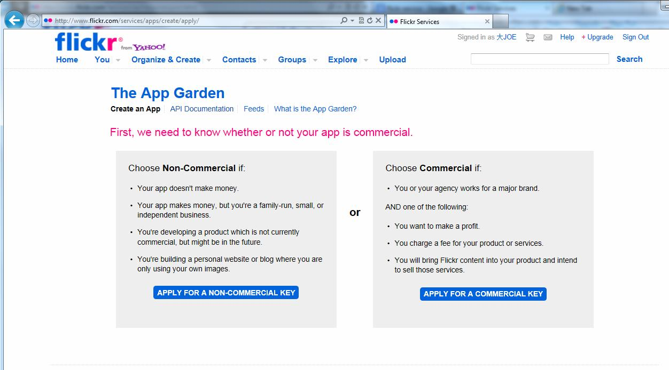

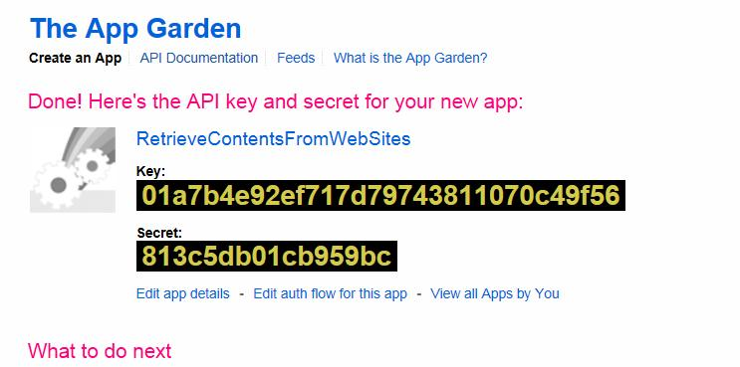

 | RetrieveContentsFromWebSites
 | 01a7b4e92ef717d79743811070c49f56
 | 813c5db01cb959bc
 | The key will be used in the floowing steps.

3 | 确认我们是要用到Flickr的photo API
 | 找到针对photo查找的API method.
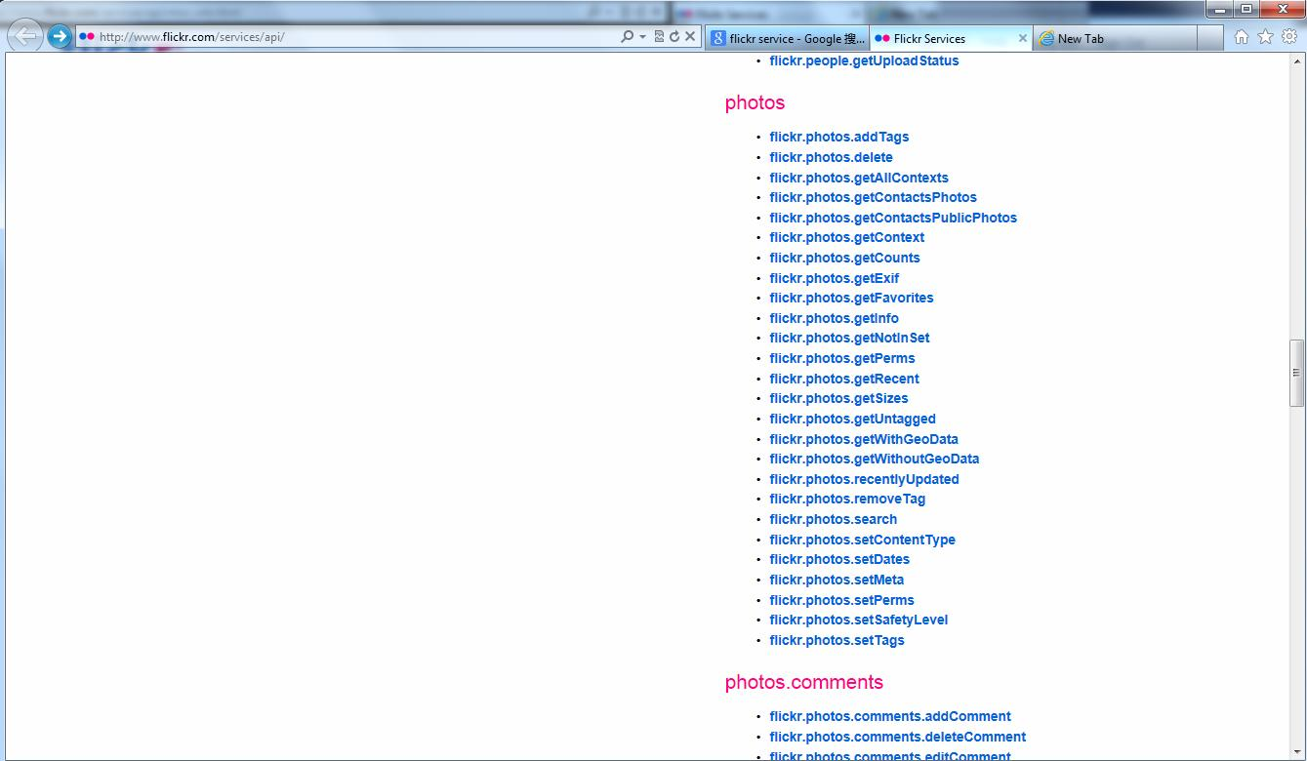

4 | 如何使用这API如下：
 | http://www.flickr.com/services/api/flickr.photos.search.html
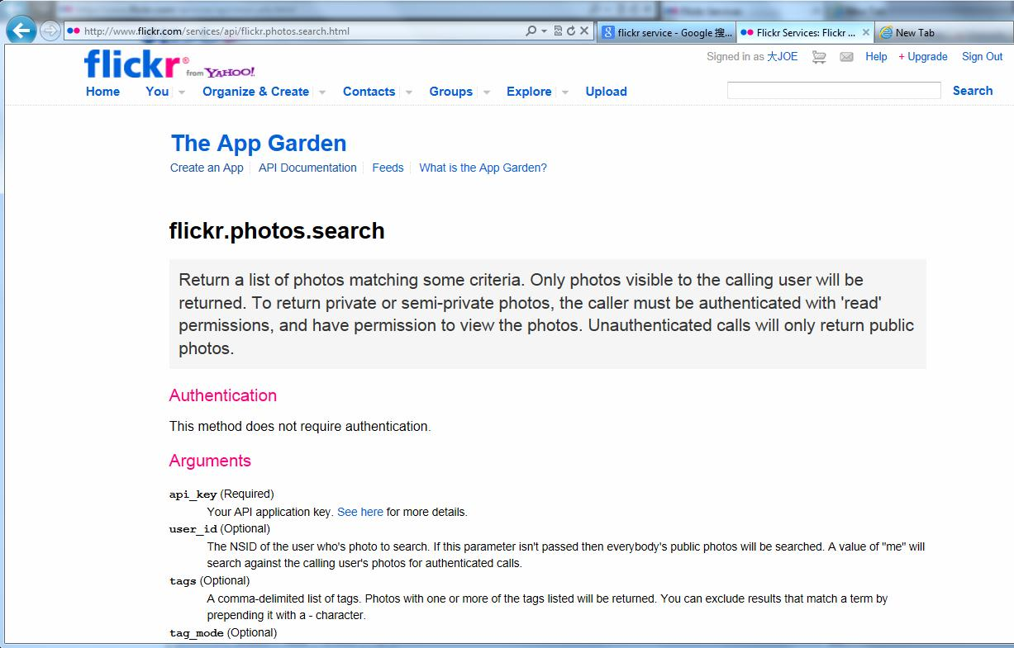

5 | 根据这个规则，我们的查询URL可以写成
 | http://api.flickr.com/services/rest/?method=flickr.photos.search&api_key=01a7b4e92ef717d79743811070c49f56&extrax=original_format&per_page=30&format=json
 | http://api.flickr.com/services/rest/?method=flickr.photos.search&api_key=01a7b4e92ef717d79743811070c49f56&extras=original_format&per_page=30&format=json&tags=macbook
 | 要查询的关键字写在tags参数上。上面的URL会返回：
 |  | /**
 |  | * returned:jsonFlickrApi({"photos":{"page":1, "pages":4120, "perpage":30, "total":"123576",
 |  | * |  | photo:[{"id":"8199210098", "owner":"42356336@N04", "secret":"39be41ab3e", "server":"8197", "farm":9, "title":"Laptop Stand", "ispublic":1, "isfriend":0, "isfamily":0, "originalsecret":"988ba638a6", "originalformat":"jpg"},
 |  | * |  |  | {"id":"8199209986", "owner":"42356336@N04", "secret":"586f81845e", "server":"8210", "farm":9, "title":"Laptop Stand", "ispublic":1, "isfriend":0, "isfamily":0, "originalsecret":"06b7a07a29", "originalformat":"jpg"},
 |  | * |  |  | {"id":"8199210208", "owner":"42356336@N04", "secret":"a09ae49b08", "server":"8059", "farm":9, "title":"Laptop Stand", "ispublic":1, "isfriend":0, "isfamily":0, "originalsecret":"f3f6d8f0ef", "originalformat":"jpg"},
 |  | * |  |  | {"id":"8197516791", "owner":"23531080@N00", "secret":"af138c5851", "server":"8067", "farm":9, "title":"57\/365 my world", "ispublic":1, "isfriend":0, "isfamily":0},
 |  | * |  |  | {"id":"8197019241", "owner":"57913824@N00", "secret":"9a8f6482d9", "server":"8347", "farm":9, "title":"Day 317 \/ Saturday November 10th, 2012", "ispublic":1, "isfriend":0, "isfamily":0},
 |  | * |  |  | {"id":"8196949661", "owner":"36118493@N03", "secret":"e60ab46fc8", "server":"8488", "farm":9, "title":"20121118-DSC_5716.jpg", "ispublic":1, "isfriend":0, "isfamily":0},
 |  | * |  |  | {"id":"8197520942", "owner":"23097875@N00", "secret":"d4138ded9a", "server":"8208", "farm":9, "title":"", "ispublic":1, "isfriend":0, "isfamily":0, "originalsecret":"4c5eaee46f", "originalformat":"jpg"},
 |  | * |  |  | {"id":"8197389476", "owner":"57296780@N05", "secret":"24fa53190c", "server":"8490", "farm":9, "title":"MacBook Pro", "ispublic":1, "isfriend":0, "isfamily":0},
 |  | * |  |  | {"id":"8195937053", "owner":"59561606@N00", "secret":"5fc851427c", "server":"8486", "farm":9, "title":"Qu\u00e9 nerd", "ispublic":1, "isfriend":0, "isfamily":0},
 |  | * |  |  | {"id":"8195378527", "owner":"51585572@N05", "secret":"9cc721c7ea", "server":"8063", "farm":9, "title":"Zetelhangen met schermpjes", "ispublic":1, "isfriend":0, "isfamily":0, "originalsecret":"2cf03d4e53", "originalformat":"jpg"},
 |  | * |  |  | {"id":"8194344059", "owner":"88813798@N05", "secret":"0b2e14c8b8", "server":"8484", "farm":9, "title":"This is a vintage baby.", "ispublic":1, "isfriend":0, "isfamily":0},
 |  | * |  |  | {"id":"8195336846", "owner":"88813798@N05", "secret":"8362e54f5a", "server":"8344", "farm":9, "title":"Melina minha cat linda.", "ispublic":1, "isfriend":0, "isfamily":0},
 |  | * |  |  | {"id":"8195318416", "owner":"88813798@N05", "secret":"55807f629b", "server":"8338", "farm":9, "title":"Peace please.", "ispublic":1, "isfriend":0, "isfamily":0},
 |  | * |  |  | {"id":"8194207585", "owner":"88813798@N05", "secret":"d27cfe444c", "server":"8207", "farm":9, "title":"Olho do beb\u00ea formou um bokeh \u2665.", "ispublic":1, "isfriend":0, "isfamily":0},
 |  | * |  |  | {"id":"8194192237", "owner":"88813798@N05", "secret":"6431dd469d", "server":"8477", "farm":9, "title":"i'm so sedution.", "ispublic":1, "isfriend":0, "isfamily":0},
 |  | * |  |  | {"id":"8195282104", "owner":"88813798@N05", "secret":"e33e35a06d", "server":"8206", "farm":9, "title":"I don't much like black with white.", "ispublic":1, "isfriend":0, "isfamily":0},
 |  | * |  |  | {"id":"8195279924", "owner":"88813798@N05", "secret":"27c1455209", "server":"8210", "farm":9, "title":"Flickrwhores look at this picture.", "ispublic":1, "isfriend":0, "isfamily":0},
 |  | * |  |  | {"id":"8194149437", "owner":"12596561@N08", "secret":"0ff42bc9b5", "server":"8070", "farm":9, "title":"Macbook Air 13\" 2012", "ispublic":1, "isfriend":0, "isfamily":0, "originalsecret":"4511486013", "originalformat":"jpg"},
 |  | * |  |  | {"id":"8194816872", "owner":"50702869@N04", "secret":"a737ec964c", "server":"8203", "farm":9, "title":"When on the Seventh", "ispublic":1, "isfriend":0, "isfamily":0},
 |  | * |  |  | {"id":"8193551415", "owner":"54199003@N00", "secret":"7cda16d81d", "server":"8478", "farm":9, "title":"Bella", "ispublic":1, "isfriend":0, "isfamily":0},
 |  | * |  |  | {"id":"8192654815", "owner":"76826947@N08", "secret":"09a52ea2f4", "server":"8058", "farm":9, "title":"$", "ispublic":1, "isfriend":0, "isfamily":0},
 |  | * |  |  | {"id":"8193656178", "owner":"76826947@N08", "secret":"cc21391f40", "server":"8070", "farm":9, "title":"Feel the Beat", "ispublic":1, "isfriend":0, "isfamily":0},
 |  | * |  |  | {"id":"8193552878", "owner":"23617386@N05", "secret":"05d88f28ef", "server":"8348", "farm":9, "title":"", "ispublic":1, "isfriend":0, "isfamily":0},
 |  | * |  |  | {"id":"8192377079", "owner":"46729310@N04", "secret":"193eab3955", "server":"8339", "farm":9, "title":"Meeting", "ispublic":1, "isfriend":0, "isfamily":0, "originalsecret":"2bc04d41a5", "originalformat":"jpg"},
 |  | * |  |  | {"id":"8193218988", "owner":"90098651@N05", "secret":"d5151363fd", "server":"8201", "farm":9, "title":"November 2012", "ispublic":1, "isfriend":0, "isfamily":0, "originalsecret":"61a509d2b0", "originalformat":"jpg"},
 |  | * |  |  | {"id":"8191973619", "owner":"89622796@N07", "secret":"5100a34da6", "server":"8483", "farm":9, "title":"GGMM Apple 11 and 13 inch MacBook Air Leather Laptop Bag", "ispublic":1, "isfriend":0, "isfamily":0},
 |  | * |  |  | {"id":"8191910351", "owner":"90098651@N05", "secret":"9fcc85db92", "server":"8198", "farm":9, "title":"November 2012", "ispublic":1, "isfriend":0, "isfamily":0, "originalsecret":"81b560e983", "originalformat":"jpg"},
 |  | * |  |  | {"id":"8191579575", "owner":"90163607@N04", "secret":"24f97c9b4d", "server":"8205", "farm":9, "title":"macbook", "ispublic":1, "isfriend":0, "isfamily":0},
 |  | * |  |  | {"id":"8190980497", "owner":"46336238@N03", "secret":"0a3373cf6c", "server":"8479", "farm":9, "title":"\uf8ff", "ispublic":1, "isfriend":0, "isfamily":0},
 |  | * |  |  | {"id":"8193047710", "owner":"79764582@N02", "secret":"45ba74f2ee", "server":"8349", "farm":9, "title":"Post !!", "ispublic":1, "isfriend":0, "isfamily":0}
 |  | * |  | ]
 |  | * |  | }, "stat":"ok"})
 |  | */

6 | 下面讲解如何分析这个返回的json数据，并且拼接成正确的图片URL。
 | http://www.flickr.com/services/api/response.json.html
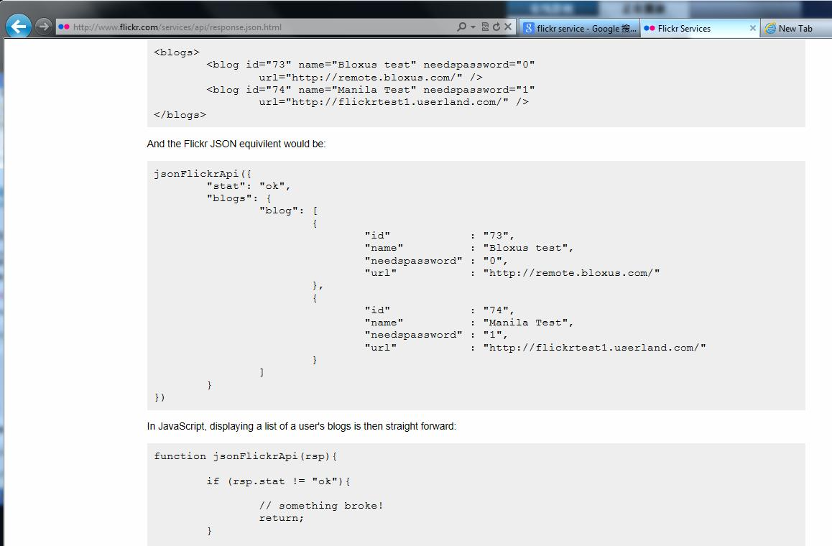

 | http://www.flickr.com/services/api/misc.urls.html
 | flickr里photo的URL格式说明
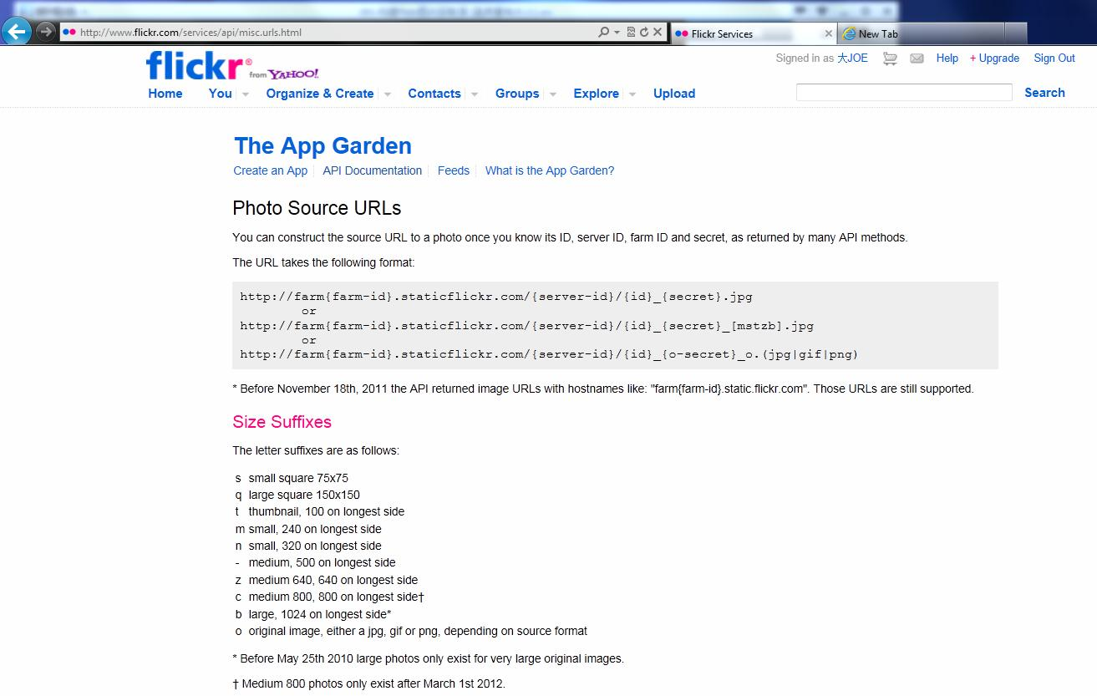

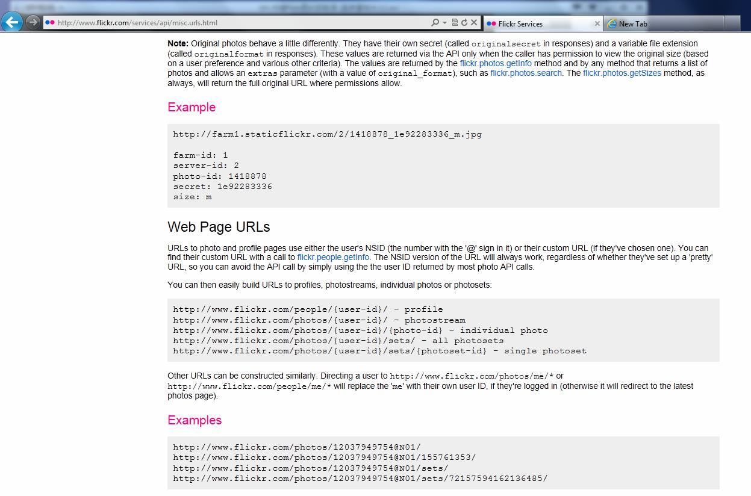

7 | 以此数据为例：
 | {"id":"8199210098", "owner":"42356336@N04", "secret":"39be41ab3e", "server":"8197",
 |  |  | farm:9, "title":"Laptop Stand", "ispublic":1, "isfriend":0, "isfamily":0,
 |  |  | originalsecret:"988ba638a6", "originalformat":"jpg"}
 | 格式和最终的URL为：
 | http://farm{farm-id}.staticflickr.com/{server-id}/{id}_{secret}.jpg
 | http://farm9.staticflickr.com/8197/8199210098_39be41ab3e.jpg
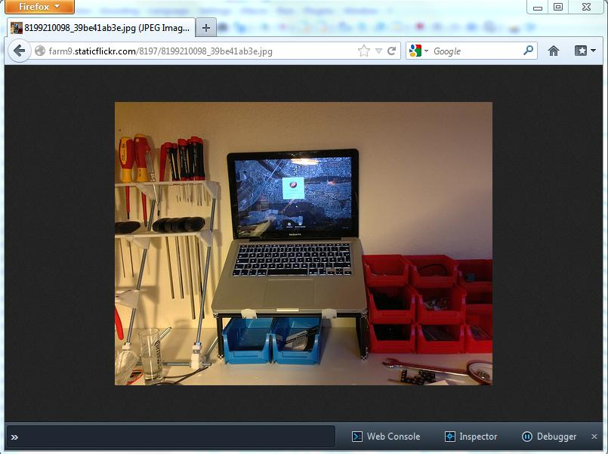

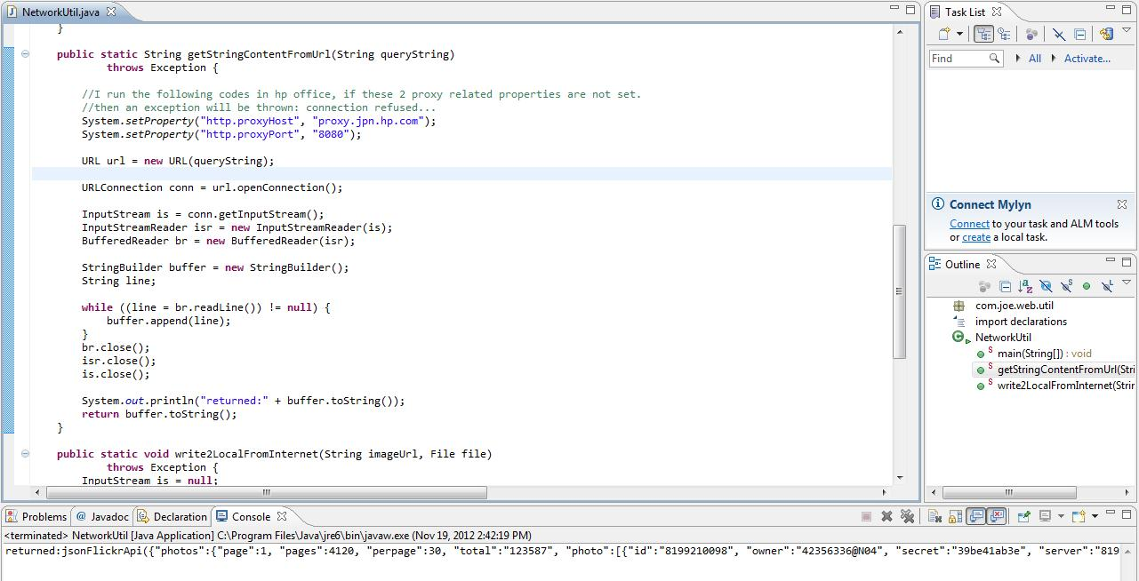

 | 经验证，确实可以成功获得。

flickr(web project)
1 | 新建一个动态web项目：FlickrImageRetriever
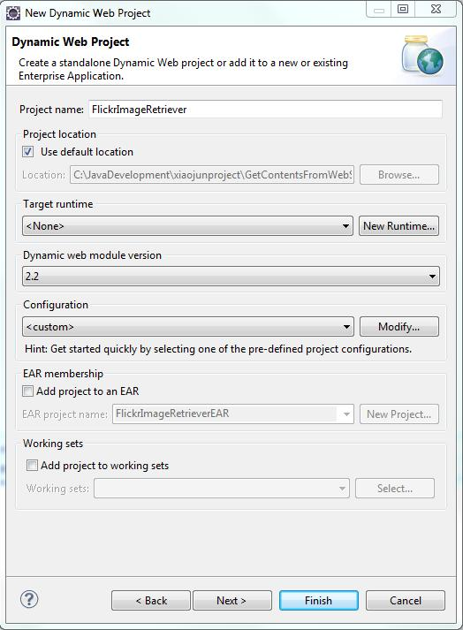

2 | 因为要解析flickr的返回字符串，它是json格式的。所以要把json-lib-2.3-jdk15.jar拷到WEB-INF/lib下。
 | 我打算用Struts2做响应事件的处理类，所以再把一些其他的必备库拷进来。Web.xml也作相应的修改。
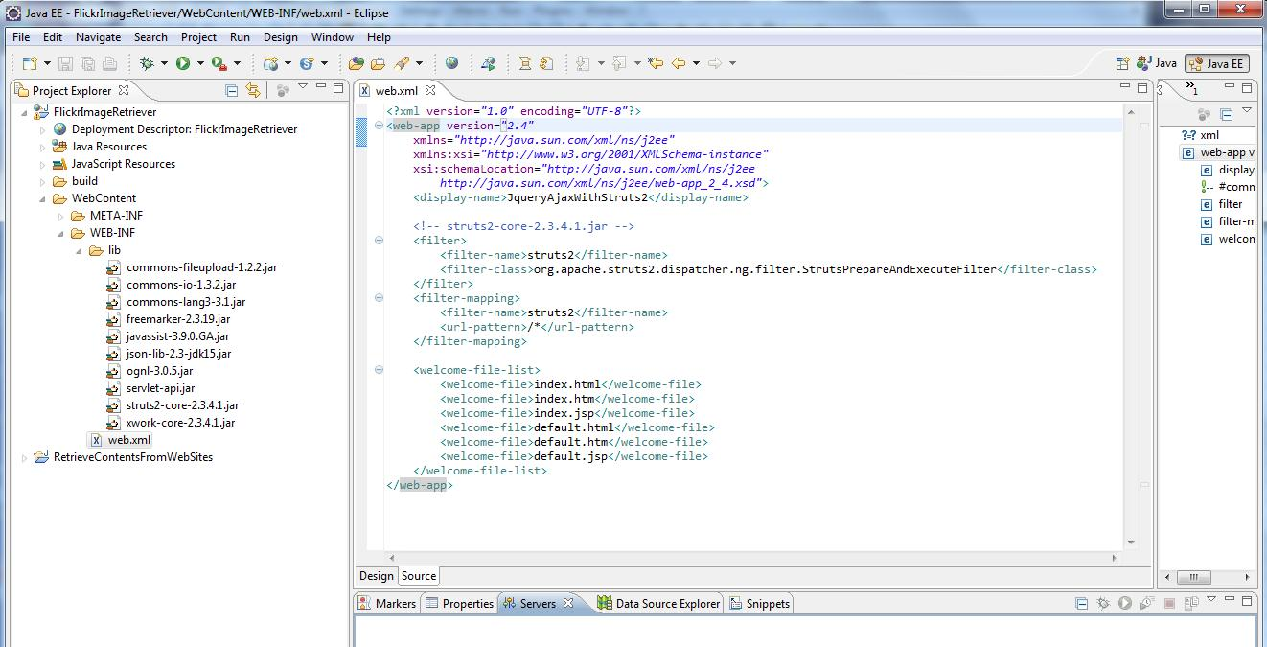

3 | 创建struts.xml, SearchPhotosAction.java和FlickrPhotosSearchPage.jsp
 | 中间过程可参考另一项目。

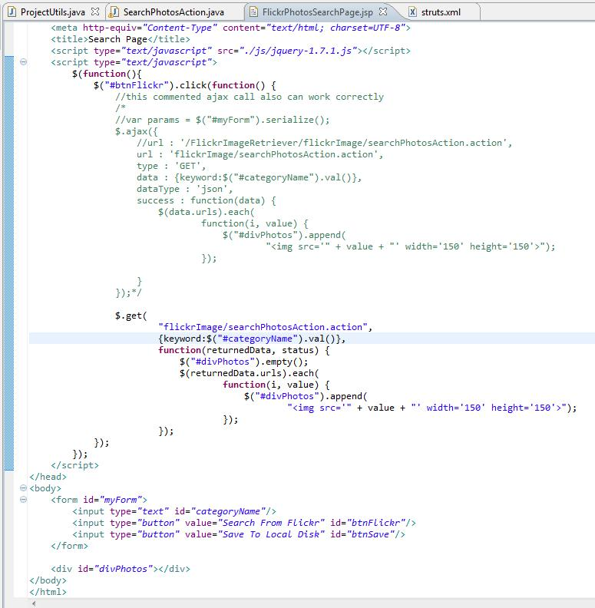

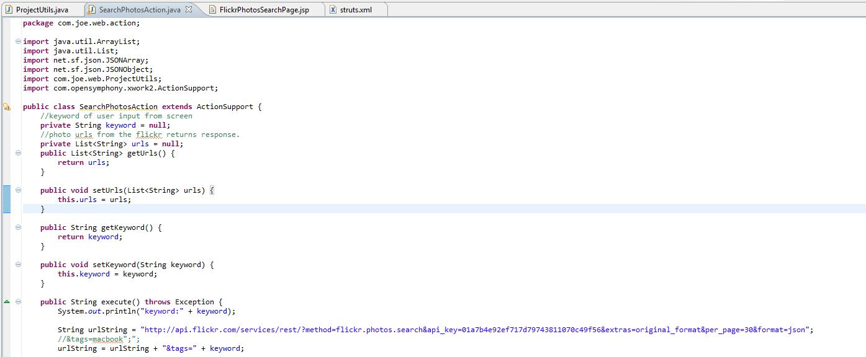

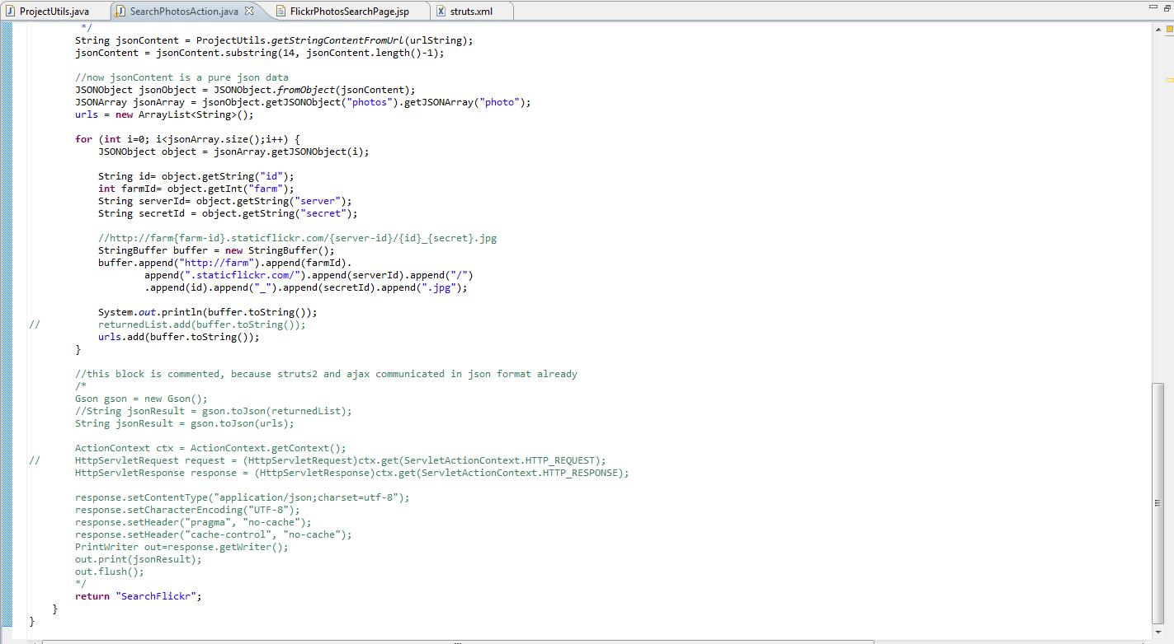

4 | 把查询flickr图片的代码和写文件到本地抽取出来，放在ProjectUtils.java中。
 | 看看能否查询出图片并显示在页面上。
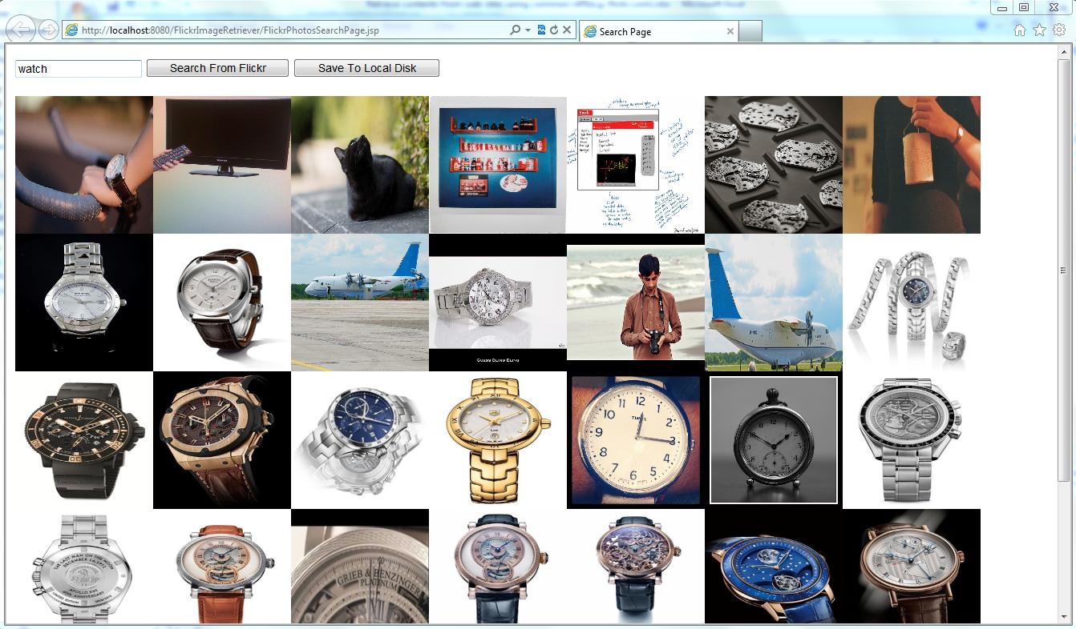

 | 后台打印信息。

 | 可见查询并显示的环节是正常工作的。
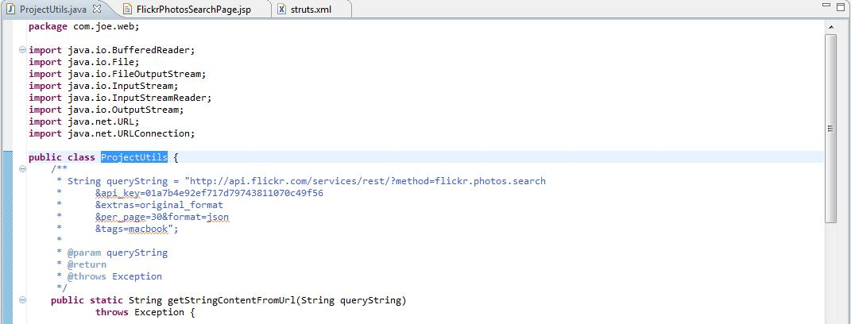

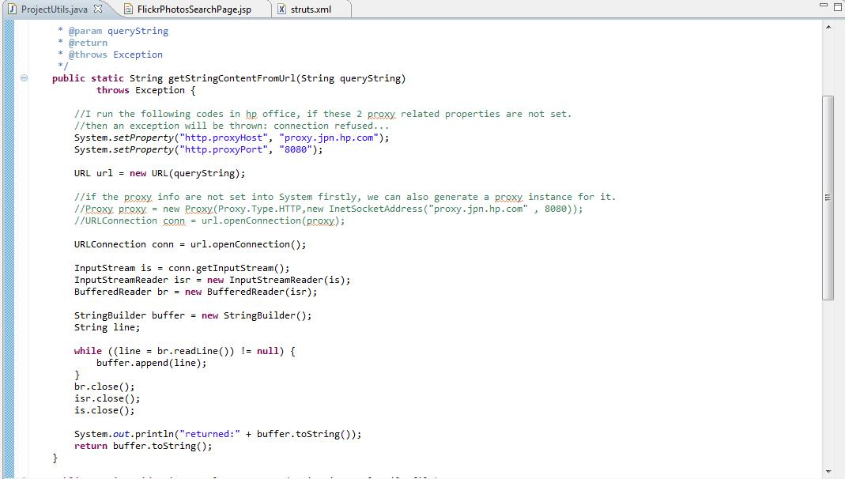

5 | 保存图片用多线程方式，SaveImageThread.java来处理。
 | 先来单线程方式。
 | a) jsp里注册save按钮的事件
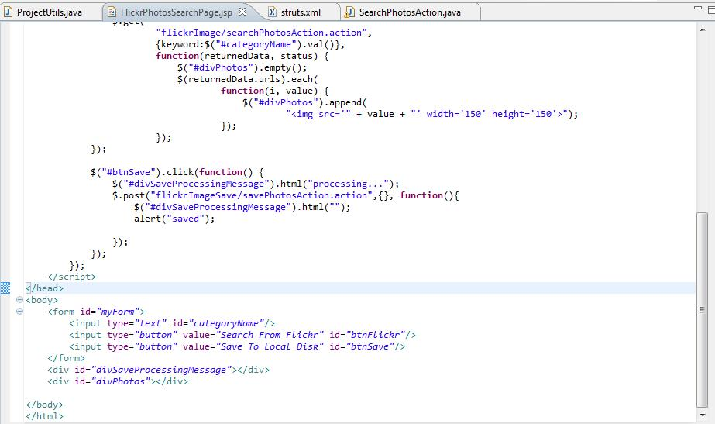

 | b) action里写相应的方法
 | 注意：要在search操作是，把输入的关键字和返回的image URLS放到session中。这样，保存操作才能拿到相应的数据。

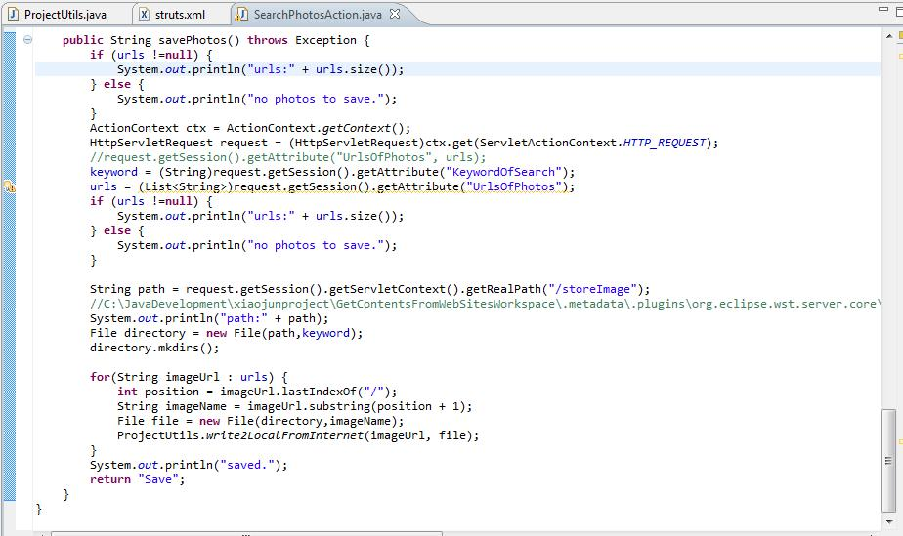

 | c) struts.xml里添加对应的配置
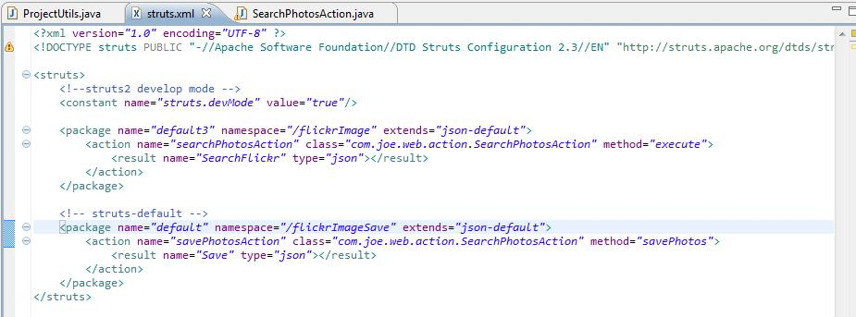

 | 测试：
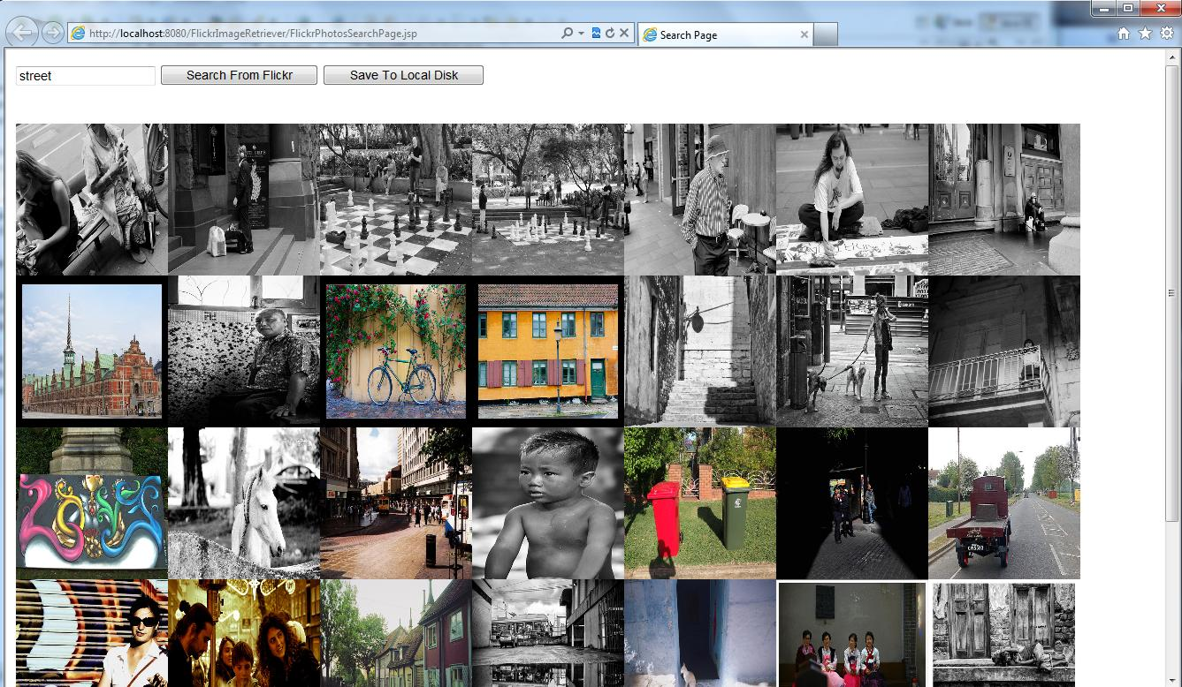

 | C:\JavaDevelopment\xiaojunproject\GetContentsFromWebSitesWorkspace\.metadata\.plugins\org.eclipse.wst.server.core\tmp0\wtpwebapps\FlickrImageRetriever\storeImage\street
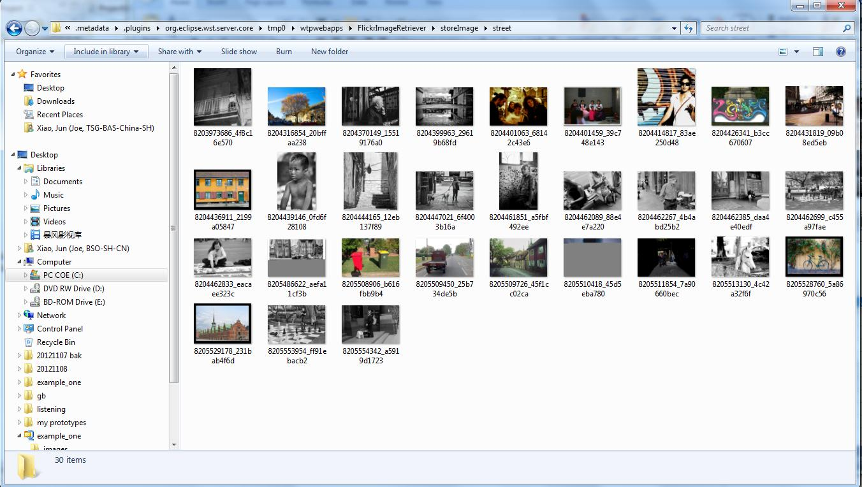

 | 最后保存完成后，叶面会执行alert操作，并把processing。。。文字隐藏掉。

6 | 下面把保存过程用多线程方式改造一下以提高保存速度。
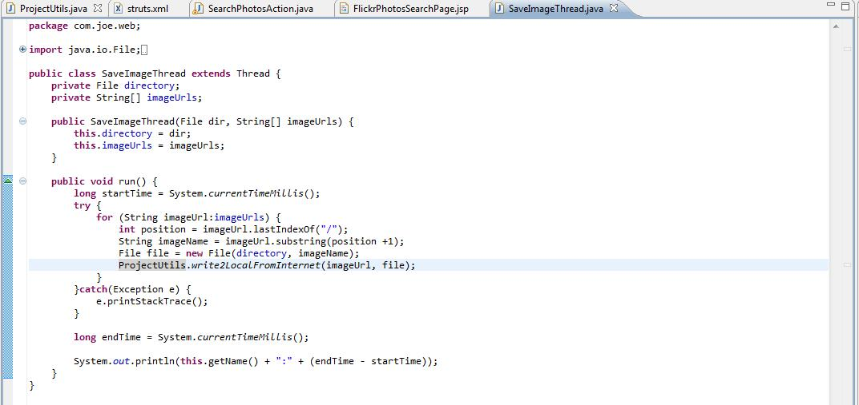

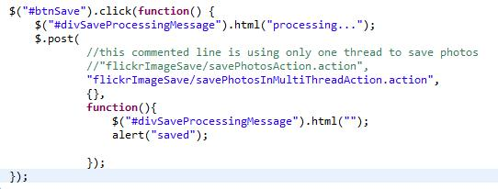

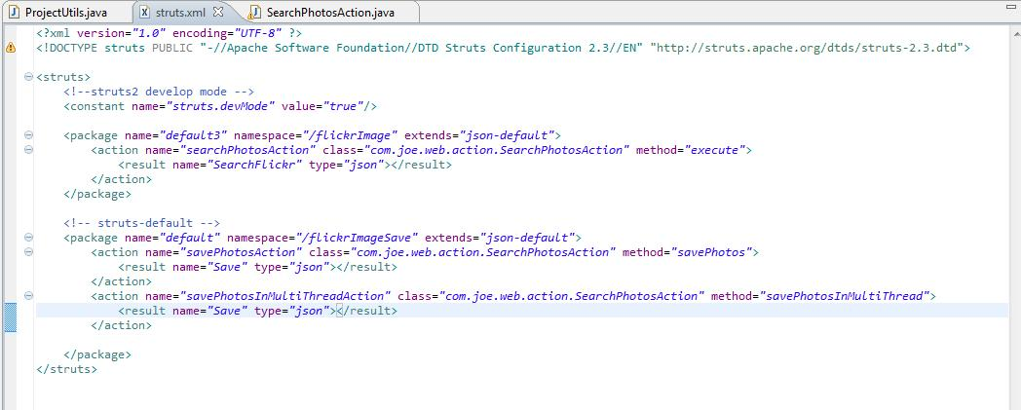

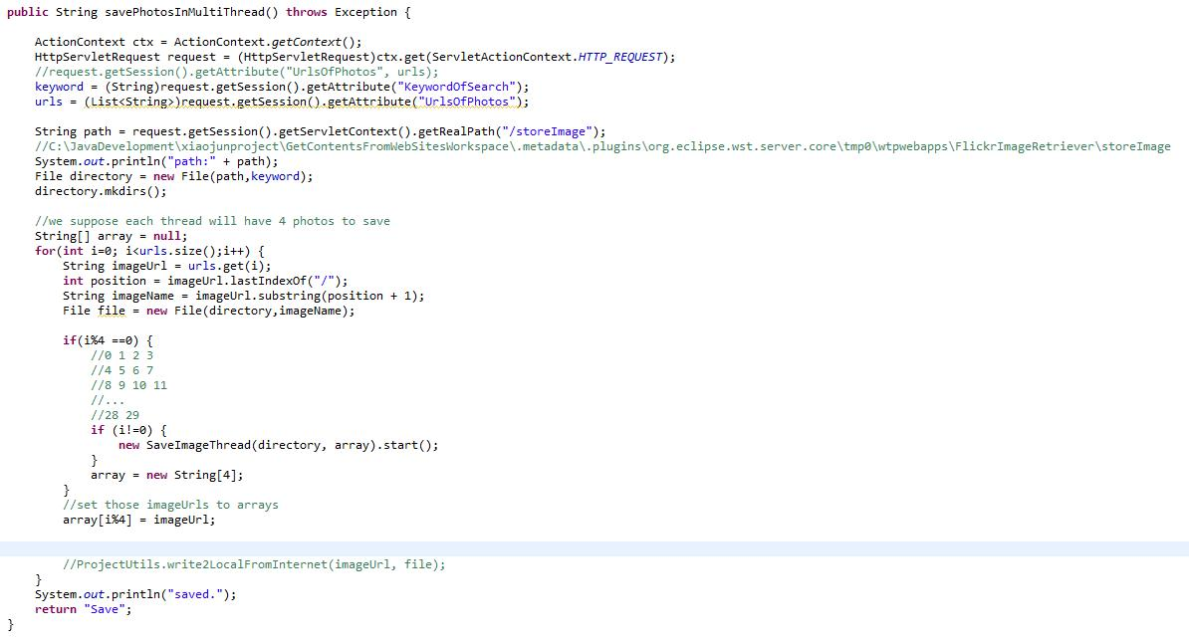

 | 测试：
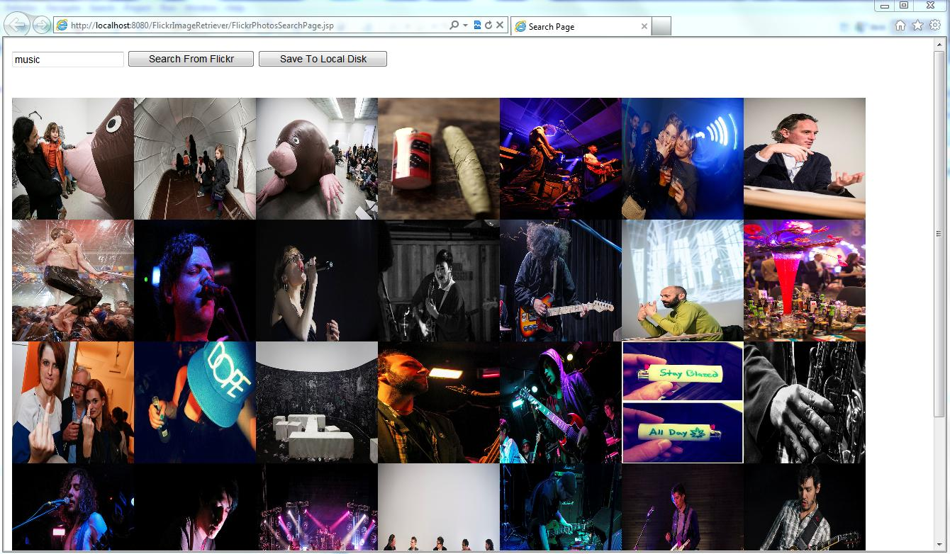

 | 7个线程，最大用时13秒。

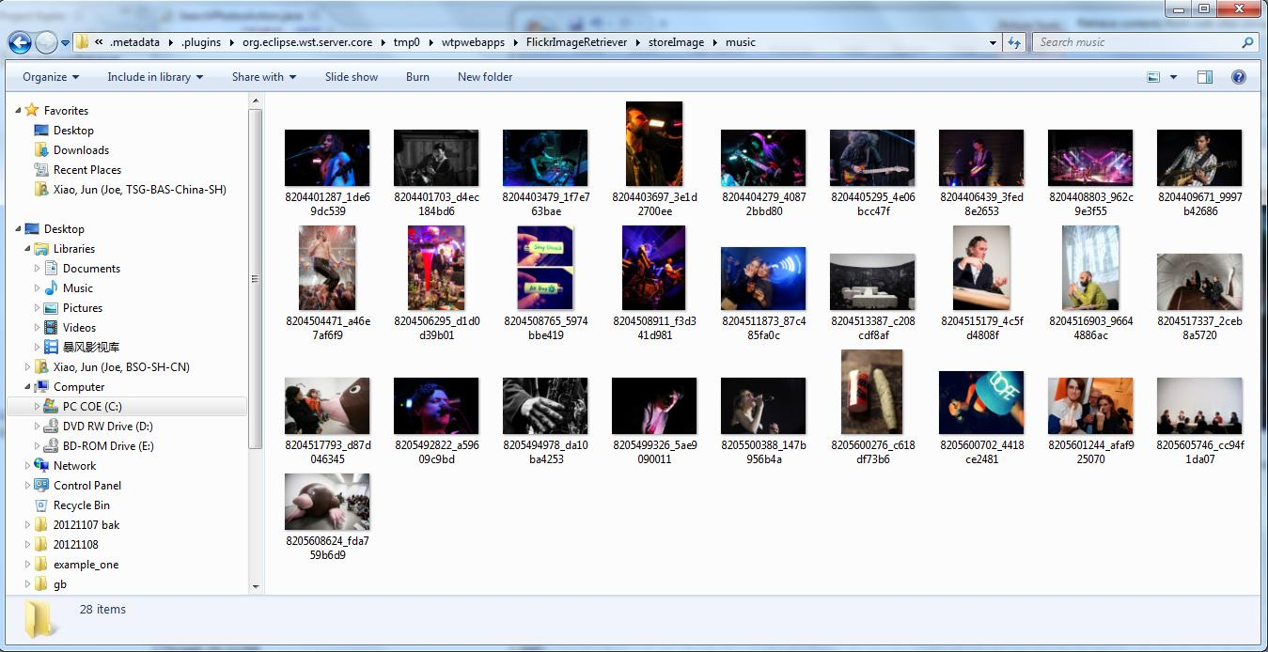

 | 查找30条图片，最后只保存了28个。原因是30个图片每4个放到一个数组里，最后剩下两个未处理。
 | 这是待完善的地方。

 | 可以把这web项目里的代码拼凑起来，放在一个单独的java main方法里，使运行这个Java Application就能获取并保存图片到本地磁盘。

